Planet targets
PLANET: Targets

Minimising our impact on the planet
 | Aim | Target | Progress
Climate Action | Net zero emissions by 2050 | By 2030: reduce absolute Scope 1 and 2 emissions by 80% from 2020 base year. | 2023 emissions are 66* per cent lower than 2020.

 |  | By 2027: 75% of suppliers by emissions covering purchased goods and services and up-stream transport and distribution will have science based targets. | 15* per cent of GHG emissions from purchased goods and services and up-stream transport and distribution are from suppliers with science based targets.

Reducing waste | Reduce environmental impact from packaging and materials | By 2025: reduce waste material and minimise own-brand plastic packaging. | In 2020 we sent 400 tonnes 12% of waste to landfill. In 2023 we sent 24* tonnes (1* per cent) of waste to landfill.
Protecting natural resources | Net zero deforestation | By 2025: ensure forestry materials in own-brand products and core non-trade goods come from recycled or certified sources. | In 2023, 100* per cent of pulp, paper and timber products purchased for resale were from certified sources or recycled material. Further work is planned to assess certification in relation to non-trade goods.

SLR Consulting provided independent limited assurance of data marked * and their opinion is in the Assurance statement.
Full details of the calculation methodology are provided in Planet Definitions
See pages 39-48 of our 2023 Annual Report for a description of our approach to Planet.

PLANET: Target progress

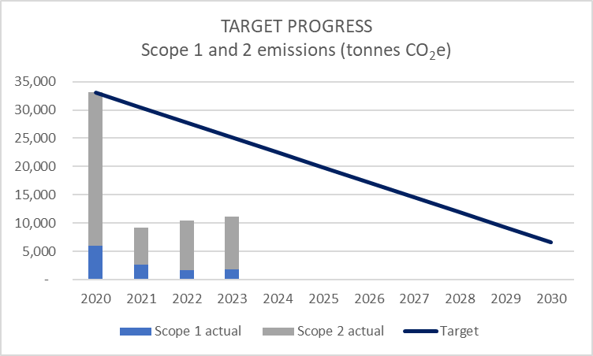
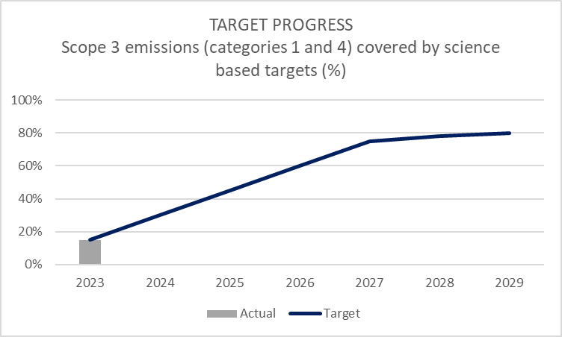

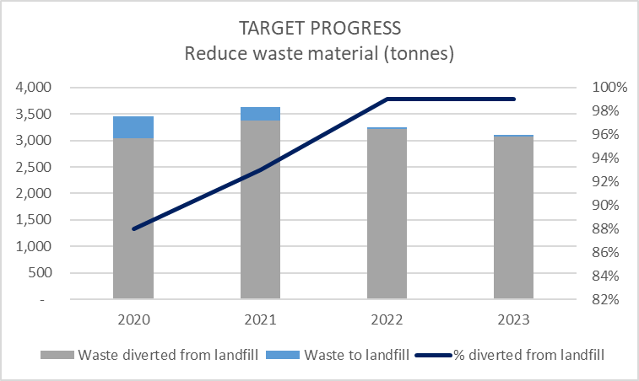
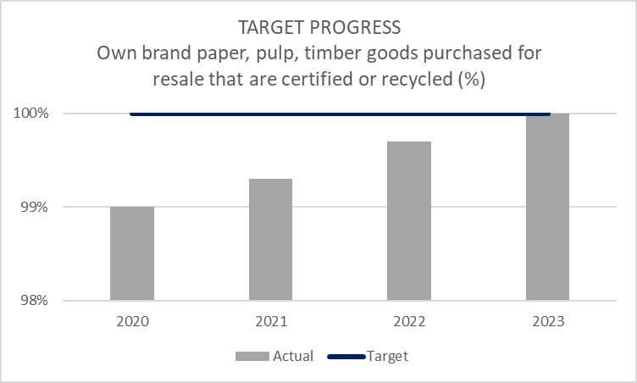

People targets
PEOPLE: Targets

Engaging our people
 | Aim | Target | Progress
Health and wellbeing | Create an environment that supports physical, mental and financial wellbeing | By 2025: improve our employee engagement score from a 2021 base year. | Our second global engagement survey took place in October 2022, with a 24 per cent improvement in engagement scores.
 |  | On-going: ensure all managers receive mental wellbeing training. | Improved data collection has highlighted a gap in line manager training which is currently being addressed.
 |  | On-going: maintain at least as many mental health first aiders as physical first aiders. | We have at least as many mental health first aiders as physical first aiders.
Diversity, equity and inclusion | Increase diversity of senior management | By 2025: increase gender and ethnic diversity of the Board, Group Executive Committee and Senior Manager populations. | At 31 August, 2023, the proportion of women at Board level had increased to 63* per cent. There was a slight decrease in the proportion of women on the Group Executive Committee. The proportion of female Senior Managers increased from 32* per cent in 2021 to 40* per cent in 2023. 4 per cent of Senior Managers were from ethnic minorities.
Supply chain human rights | Protect worker rights in our supply chains | On-going: ensure we audit our own-brand suppliers at least every two years. | As at 31 August 2023 86 per cent of supplier sites had been audited through site visits and 14 per cent had been assessed through desktop audit within the previous two year period.
 |  | By 2023: develop an audit and engagement programme for our tier two suppliers. | As at 31 August 2023, 173 tier two suppliers to our direct tier one suppliers have been identified for additional due diligence. To date we have visited 21 per cent of these suppliers.
 |  | By 2025:15 per cent of own-brand suppliers will have worker representation committees in place. | As at 31 August, 2023 5* per cent of own brand suppliers have worker representation committees in place.

SLR Consulting provided independent limited assurance of data marked * and their opinion is in the Assurance statement.
Full details of the calculation methodology are provided in People Definitions
See pages 49-52 of our 2023 Annual Report for a description of our approach to People.

PEOPLE: Target progress

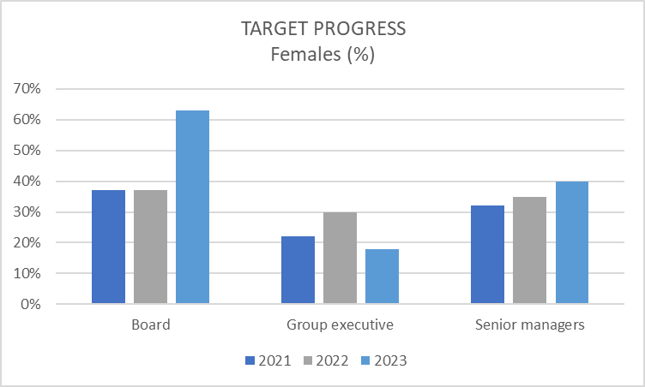
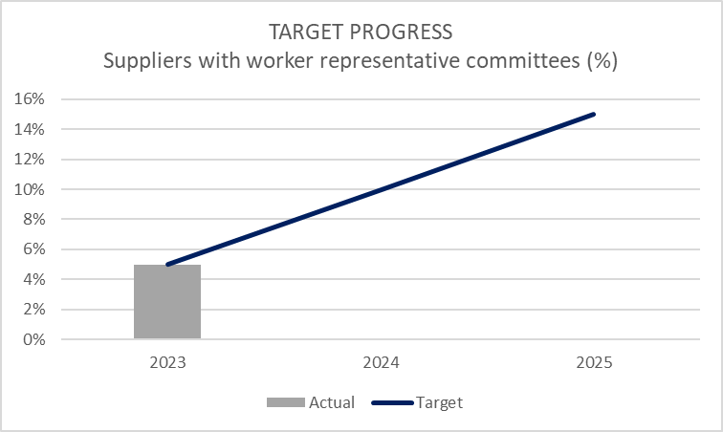

Community targets
COMMUNITIES: Targets

Contributing to Commuities
 | Aim | Target | Progress
Literacy | Help all children to develop a love of reading | By 2025: work with the National Literacy Trust to provide a book to every child in the UK who does not own one of their own. | Since 2021, we have donated over 420,000 books (or cash equivalent).
Supporting charities and local causes | Make a positive impact through fundraising, donations and volunteering | By 2025: increase the number of employees involved in supporting charities through fundraising and volunteering. | Applications for support to the WHSmith Trust from employees supporting charities through fundraising and volunteering increased by 50 per cent this year.

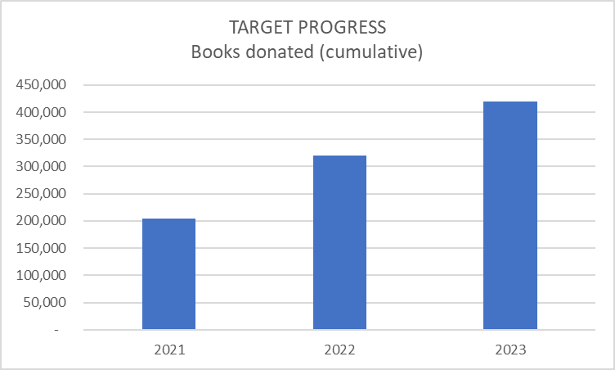

SLR Consulting provided independent limited assurance of data marked * and their opinion is in the Assurance statement.
Full details of the calculation methodology are provided in Community Definitions
See page 53 of our 2023 Annual Report for a description of our approach to Communities.

