Planet targets
PLANET: Targets

Minimising our impact on the planet
 | Aim | Target | Progress
Climate Action | Net zero emissions by 2050 | By 2030: reduce absolute Scope 1 and 2 emissions by 80% from 2020 base year. | Absolute Scope 1 and 2 emissions for the continuing business reduced by 89% since 2020.

 |  | By 2027: 75% of suppliers by emissions covering purchased goods and services and up-stream transport and distribution will have science based targets. | As of 31st August 2025, 53* per cent of purchased goods and services and up-stream transport and distribution emissions are now covered by science-based targets.

Reducing waste | Reduce environmental impact from packaging and materials | By 2025: reduce waste material and minimise own-brand plastic packaging. | Waste generated from the discontinued business reduced by 20 per cent since 2020.
Protecting natural resources | Net zero deforestation | By 2025: ensure forestry materials in own-brand products and core non-trade goods come from recycled or certified sources. | 100* per cent of pulp, paper and timber in trade and non-trade products purchased during 2025 came from certified sources or recycled materials.

SLR Consulting provided independent limited assurance of data marked * and their opinion is in the Assurance statement.
Full details of the calculation methodology are provided in Planet Definitions.
See pages 45-46 of our 2025 Annual Report for a description of our approach to Planet.

PLANET: Target progress
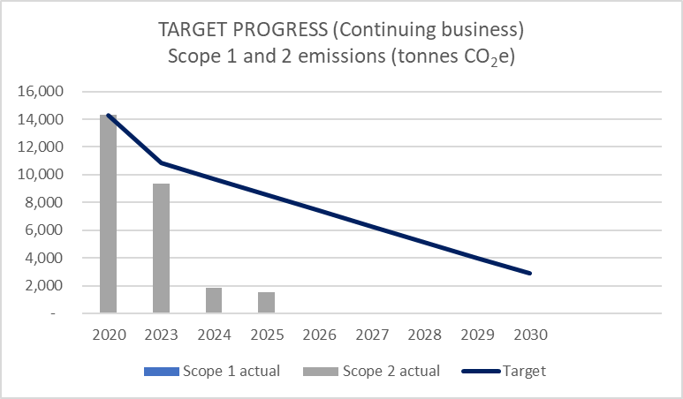
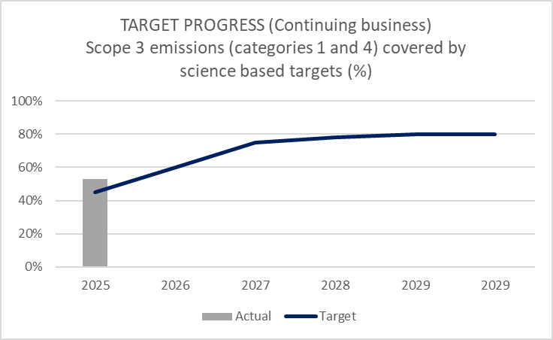

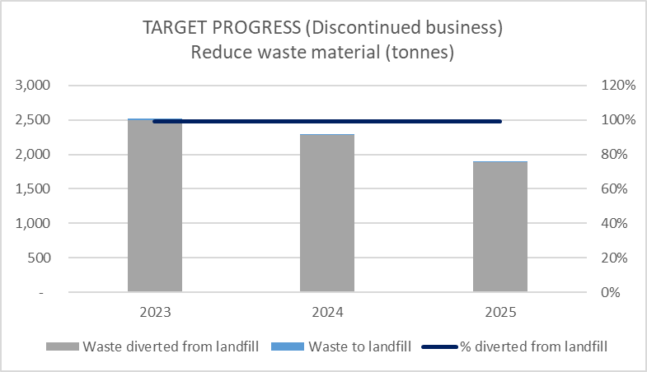
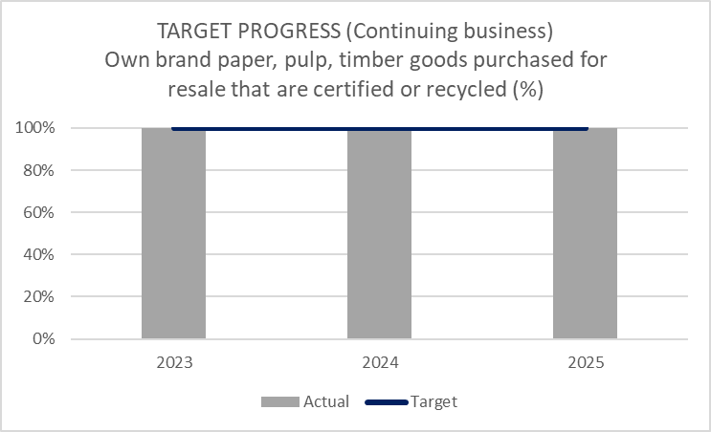

People targets
PEOPLE: Targets

Engaging our people
 | Aim | Target | Progress
Wellbeing | Create an environment that supports physical, mental and financial wellbeing | By 2025: improve our employee engagement score from a 2021 base year. | Our fourth global engagement survey undertaken in October 2024 showed a 27 per cent improvement.
Diversity, equity and inclusion | Increase diversity of senior management | By 2025: increase gender and ethnic diversity of the Board, Group Executive Committee and Senior Manager populations. | The proportion of women at Board level has increased from 37 to 50* per cent. Following the sale of the High Street and Funky Pigeon businesses, the proportion of women at Group Executive level has reduced from a baseline of 22 to 11* per cent. The proportion of female Senior Managers has increased from 32 to 33 per cent. six* per cent of Senior Managers are from ethnic minorities.
Supply chain human rights | Protect worker rights in our supply chains | By 2025: 15 per cent of own-brand suppliers will have worker representation committees in place. | 20* per cent of own-brand suppliers have worker representation committees in place

SLR Consulting provided independent limited assurance of data marked * and their opinion is in the Assurance statement.
Full details of the calculation methodology are provided in People Definitions
See pages 47-49 of our 2025 Annual Report for a description of our approach to People.

PEOPLE: Target progress
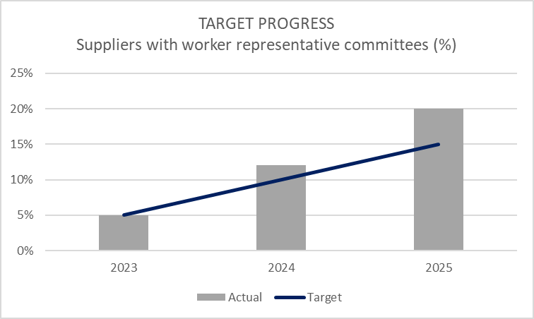
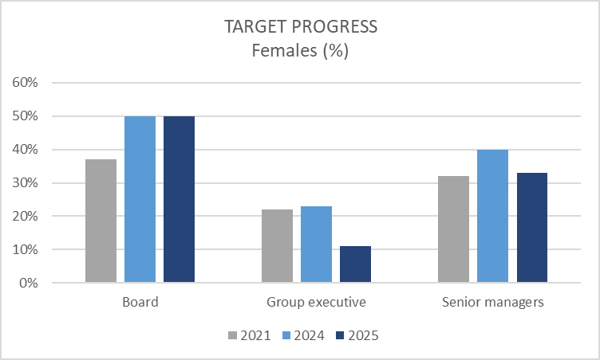

Community targets
COMMUNITIES: Targets

Contributing to Communities
 | Aim | Target | Progress
Literacy | Help all children to develop a love of reading | By 2025: work with the National Literacy Trust to provide a book to every child in the UK who does not own one of their own. | The target was based on 2019 research by the National Literacy Trust which suggested nearly 400,000 children in the UK did not own a book of their own. Since then, WHSmith has donated over 600,000 books (or cash equivalents) to those most in need.
Supporting charities and local causes | Make a positive impact through fundraising, donations and volunteering | By 2025: increase the number of employees involved in supporting charities through fundraising and volunteering. | Applications for support to the WHSmith Trust from employees supporting charities through fundraising and volunteering were 20 per cent higher than in 2021.

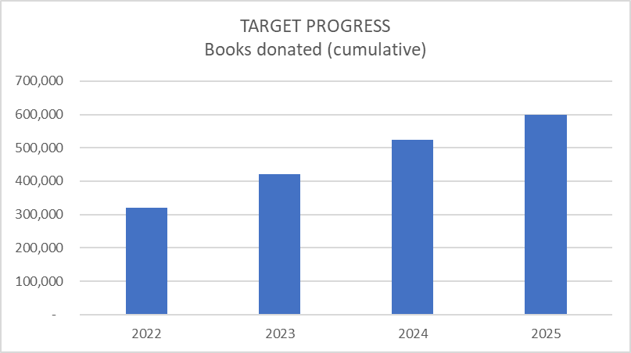

SLR Consulting provided independent limited assurance of data marked * and their opinion is in the Assurance statement.
Full details of the calculation methodology are provided in Community Definitions
See page 51 of our 2025 Annual Report for a description of our approach to Communities.

